Sheet1
Proposed Industrial Corridor System Fee Worksheet (6/28/17)
North Branch Industrial Corridor
City of Chicago - Department of Planning and Development

Developer Name and Address:
Project Address: |  |  |  | Zoning District:
Gross Site Area (s.f.): |  | * Net site area (sq.ft.):
 |  |  | *Gross site area minus dedicated open space or right-of-way and that will not be used for
 |  |  | FAR purposes or other bulk and density regulations
Conversion areas in the North Branch Industrial Corridor
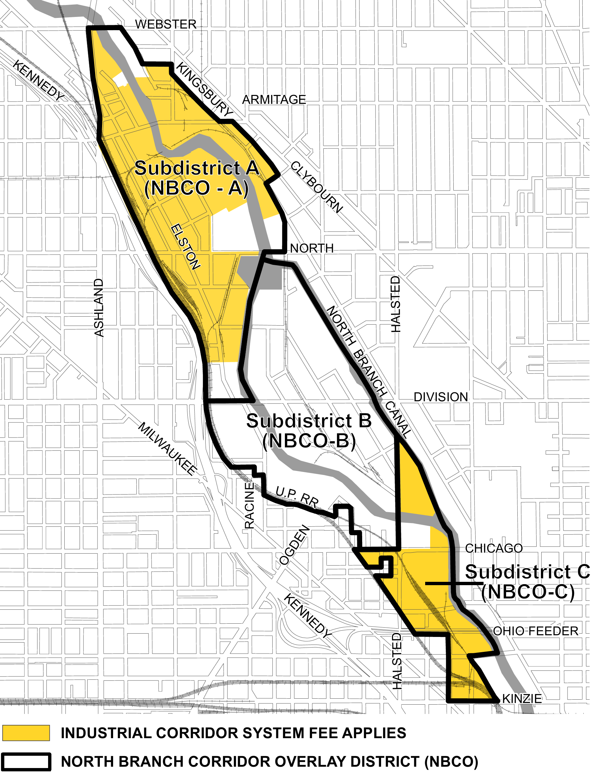
Cost to replace industrial property: |  | $49.00
Developer's Share: |  | 25%

A summary of the Industrial Corridor System Fee
can be found on the DPD website.

Please note: The estimated cost to replace industrial property is subject to change, pursuant to Section 16-8-150-b of the Chicago Zoning Ordinance. The fee payment due for any building or phase of development will change accordingly and, therefore, may differ from the amount calculated at the time of PD approval and will supercede said previous calculation.

Calculation of Fee Amount
Fee payment shall be paid in full prior to the issuance of the first building permit for any building; or on a pro rata basis for phased construction projects, that are planned developments, prior to issuance of the first building permit for each subsequent new building or phase of construction as detailed in 16-8-090.

Net Site Area | Developer's Share | Estimated cost per square foot to replace industrial property |  | Total Fee Calculation
A | B | C |  | A x B x C =
 | 0.25 | $49.00 |  | $0.00

Industrial Corridor System Fund: (1.0 x Financial Contribution) |  | $0.00
Industrial Corridor System Fee In-Kind:

